Data CBS
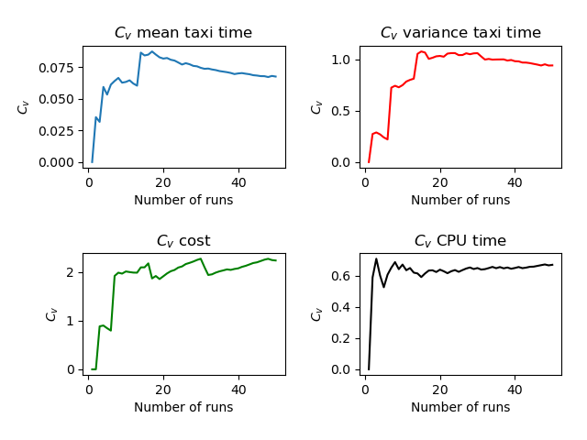
Run | Number of Aircraft | Maximum Spawn Time | Mean Taxitime | Variance Taxitime | Variance Cost | CPU Time
22 | 10 | 5 | 9.7 | 6.86 | 0.8 | 3.661
4 | 10 | 5 | 10.35 | 4.803 | 0.522 | 8.998
11 | 10 | 5 | 9.85 | 5.802 | 0.323 | 5.788
25 | 10 | 5 | 10.25 | 3.412 | 1.512 | 3.707
39 | 10 | 5 | 12.9 | 43.74 | 36.46 | 4.048
49 | 10 | 5 | 9.95 | 4.123 | 0.023 | 3.679
1 | 10 | 5 | 10.3 | 3.71 | 0.66 | 3.795
15 | 10 | 5 | 9.25 | 3.162 | 0.023 | 3.589
5 | 10 | 5 | 10.9 | 2.79 | 1.06 | 3.819
37 | 10 | 5 | 10.4 | 2.34 | 0.55 | 3.712
9 | 10 | 5 | 9.45 | 4.572 | 0.252 | 4.036
13 | 10 | 5 | 9.4 | 4.29 | 0.96 | 4.509
35 | 10 | 5 | 9.55 | 6.072 | 0.052 | 3.909
29 | 10 | 5 | 9.5 | 2.75 | 0.54 | 3.611
31 | 10 | 5 | 9.9 | 2.04 | 0.3 | 6.197
42 | 10 | 5 | 9.85 | 4.052 | 0.552 | 3.675
19 | 10 | 5 | 10.45 | 3.122 | 3.622 | 7.146
21 | 10 | 5 | 9.3 | 5.01 | 0.04 | 6.925
14 | 10 | 5 | 12.5 | 32.3 | 23.06 | 6.453
18 | 10 | 5 | 10.25 | 3.612 | 0.472 | 5.361
45 | 10 | 5 | 9.55 | 4.972 | 0.573 | 4.863
32 | 10 | 5 | 11 | 15.35 | 14.15 | 4.742
12 | 10 | 5 | 9.85 | 3.002 | 0.862 | 4.566
43 | 10 | 5 | 9.65 | 3.603 | 0.062 | 4.273
24 | 10 | 5 | 9.95 | 3.872 | 0.112 | 4.163
40 | 10 | 5 | 9.3 | 5.81 | 0.74 | 4.082
30 | 10 | 5 | 10.35 | 3.302 | 0.522 | 4.045
38 | 10 | 5 | 9.75 | 5.712 | 1.712 | 3.996
28 | 10 | 5 | 9.95 | 4.823 | 0.522 | 3.99
7 | 10 | 5 | 10.85 | 21.752 | 11.052 | 3.96
2 | 10 | 5 | 9.5 | 6.95 | 0.06 | 3.916
50 | 10 | 5 | 10.45 | 3.222 | 1.402 | 3.893
33 | 10 | 5 | 10.65 | 2.903 | 0.903 | 3.852
44 | 10 | 5 | 10.25 | 4.462 | 0.062 | 3.771
46 | 10 | 5 | 9.7 | 5.01 | 0.06 | 3.766
10 | 10 | 5 | 9.3 | 3.36 | 0.56 | 3.755
17 | 10 | 5 | 11.45 | 18.622 | 14.622 | 3.75
23 | 10 | 5 | 9.55 | 3.472 | 0.772 | 3.707
8 | 10 | 5 | 9.25 | 4.012 | 0.572 | 3.688
48 | 10 | 5 | 10.2 | 1.41 | 0.36 | 3.678
47 | 10 | 5 | 9.45 | 5.373 | 0.052 | 3.67
16 | 10 | 5 | 9.25 | 5.112 | 0.052 | 3.667
41 | 10 | 5 | 9.35 | 3.802 | 0.023 | 3.66
27 | 10 | 5 | 10.7 | 1.91 | 0.65 | 3.649
26 | 10 | 5 | 9.15 | 3.753 | 0.052 | 3.638
3 | 10 | 5 | 9.6 | 3.89 | 0.36 | 3.627
36 | 10 | 5 | 9.65 | 3.552 | 0.572 | 3.617
20 | 10 | 5 | 9.65 | 3.952 | 0.112 | 3.613
34 | 10 | 5 | 9.65 | 4.802 | 0.062 | 3.592
6 | 10 | 5 | 9.15 | 6.302 | 0.362 | 3.578
 | 10 | 5 | 10.002 | 6.33262 | 2.4752 | 4.2677

